Cover Page
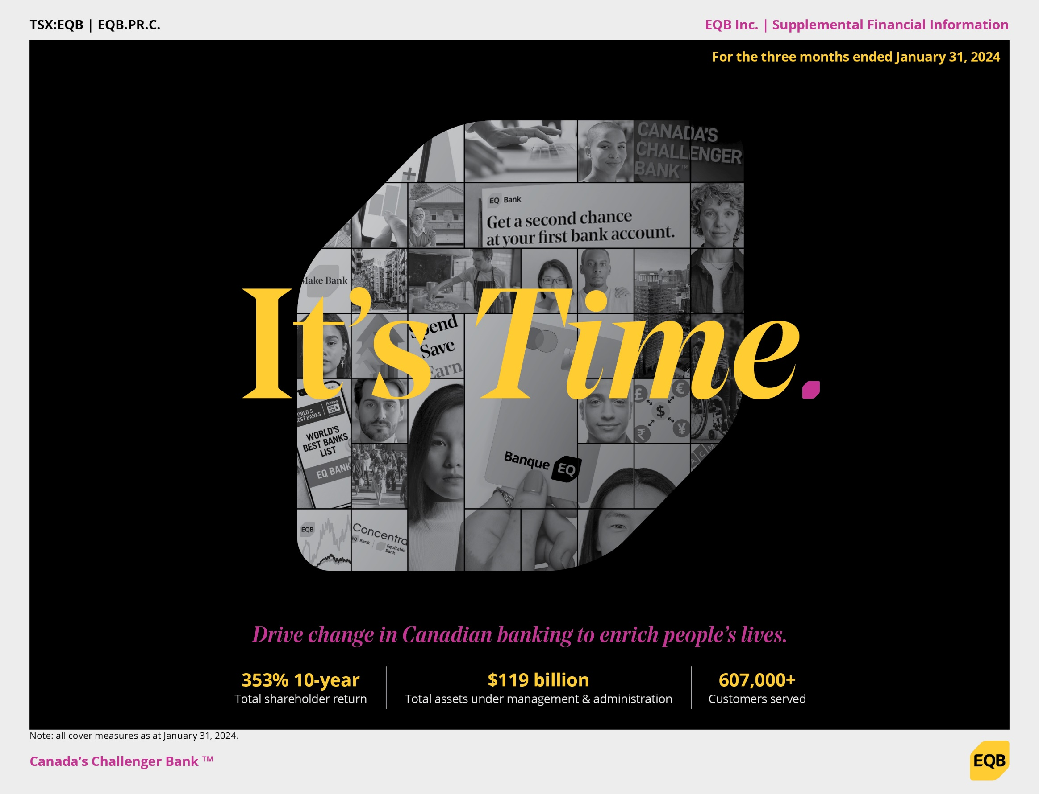

NTR
Notes to Readers
Purpose of this document
This Supplemental Financial Information Report (Report) aims to provide the readers with additional financial information that will assist the readers' assessment of business performance of EQB Inc. (EQB) and its wholly-owned subsidiary, Equitable Bank, including disclsoures related to Equitable Bank's loan portfolio, some of which relate to disclosure requirements outlined in OSFI's Guideline B-20, 'Residential Practices and Procedures'.
Use of this document
Readers are cautioned that financial information contained in this Report include both Generally Accepted Accounting Principles (GAAP) and non-GAAP measures. The latter often does not have any standardized meaning, and therefore, are not comparable to similar measures presented by other financial institutions.
This Report should be read in conjunction with EQB's unaudited interim consolidated financial statements and accompanying notes, as well as Management's Discussion and Analysis ("MD&A") for the quarter ended January 31, 2024.
Basis of presentation
All numbers in this Report are Canadian dollars and are unaudited.
GAAP measures have been prepared in accordance with International Financial Reporting Standards (IFRS) unless otherwise stated. Non-GAAP measures used in this Report are defined under the Section "Non-GAAP financial measures and ratios".

